rev 11
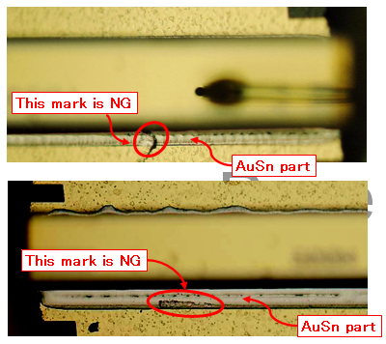
PT. FOXCONN TECHNOLOGIES INDONESIA |  |  |  |  |  |  |  |  |  |  |  |  |  |  |  |  |  |  |  |  |  |  | No. Dok:
Production Engineering Department |  |  |  |  |  |  |  |  |  |  |  |  |  |  |  |  |  |  |  |  |  |  | Revisi:
Process Engineering Section |  |  |  |  |  |  |  |  |  |  |  |  |  |  |  |  |  |  |  |  |  |  | Berlaku:
FRAME LASER 1.8t AND 1.3t |  |  |  |  |  |  |  |  |  |  |  |  |  |  |  |  |  |  |  |  |  |  | Checked
Production Process Control Sheet LD Die Bonding 2 Machine
(Frame Laser 1.8t dan 1.3t)
MACHINE No :
AG Paste Type :
No | Date | Shift/ Group /Operator | Model Name | Lot No. | Quantity |  |  | Time |  | Foregoing Result (40 pcs/lot), (OK : V, NG : X) |  |  |  |  |  | @ Die Bond Strength |  | Check SM-mark |  | # Check sebaran Ag Paste |  | # check ketebalan Ag Paste (nilai h) |  | **Disp. Air Pressure | **Disp. time | **Vacuum pressure
 |  |  |  |  | In | Out | NG | IN | OUT | SM chip |  | LD chip
 |  |  |  |  |  |  |  |  |  | Crack | Chipping | LD pos | Miss LD chip | Crack | Chipping | (2pcs/shift) |  | (2pcs/shift) |  | (2pcs/ Lot) |  | (2pcs/ Lot)
 |  |  |  |  |  |  |  |  |  |  |  |  |  |  |  | @ |  | OK : √ NG : X |  | OK : √ NG : X |  | OK : √ NG : X

 |  |  |  |  |  |  |  |  |  |  |  |  |  |  |  | 1st | 2nd | 1st | 2nd | 1st | 2nd | 1st | 2nd

Ket : - @ Isi dengan angka hasil pengukuran
 | - Konversi : 100 centiNewton = 1 N

